6
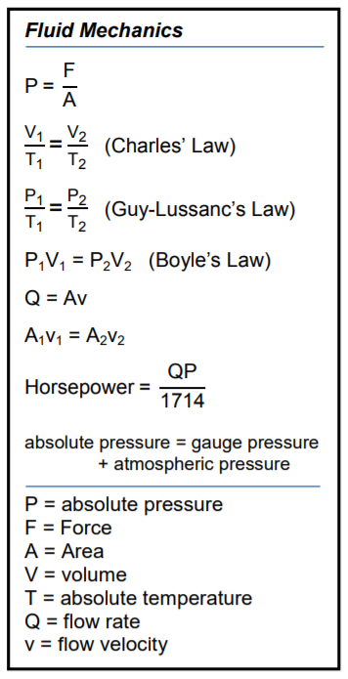
Area (m3) | 10
Flow velocity (ft/s) | 9 |  | Force (N)
Flow rate (gpm) | 90

Height | 9 | Area (m3)

Force (N) | 1
Area (m2) | 1.1111111111
Power (psi) | 1.1111111111

Horsepower | 100

Area (m3) | 10
Flow velocity (ft/s) | 3
Flow rate (gpm) | 30

Height | 1

Force (N) | 3
Area (m2) | 10
Power (psi) | 30

Horsepower | 900

